Test Details
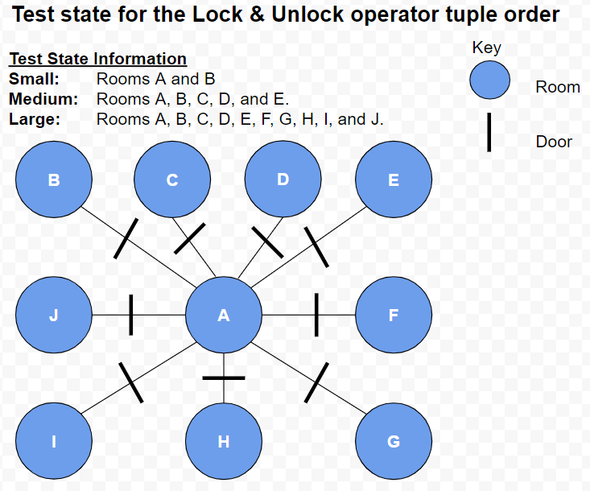
Test Details

Test | State Tuples | Goal
Small | 13 | Lock 1 door
Medium | 43 | Lock 4 doors
Large | 93 | Lock 9 doors

